Result6
2025.08.04 FW WYCENA 1035SUR082025-S235-3-Oxygen(6) - Result6
Cut Plan
Material | Thickness(mm) | Plate Size(mm*mm) |  | Nested Plate Size(mm*mm) |  | Cut number: | Cut time per piece | Part Qty
S235 | 3.00 | 1118.40 * 2539.39 |  | 1068.40 * 2489.39 |  | 10 | 14min14s | 2
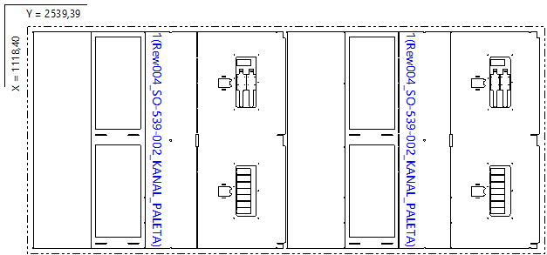

Part List
ID | Thumbnail | Part Name | Part Size(mm*mm) | Qty | Cut Length(m) | Marking length(m) | Defilm Length(m)
318036 |  | Rew004_SO-539-002_KANAL_PALETA | 1068.00 * 1243.29 | 2 / 24 | 19.29 | 0 | 0

Result5
2025.08.04 FW WYCENA 1035SUR082025-S235-3-Oxygen(6) - Result5
Cut Plan
Material | Thickness(mm) | Plate Size(mm*mm) |  | Nested Plate Size(mm*mm) |  | Cut number: | Cut time per piece | Part Qty
S235 | 3.00 | 1070.65 * 2595.20 |  | 1020.65 * 2545.20 |  | 19 | 6min52s | 1
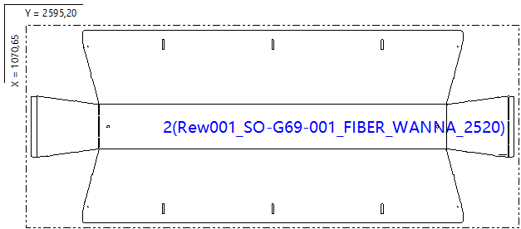

Part List
ID | Thumbnail | Part Name | Part Size(mm*mm) | Qty | Cut Length(m) | Marking length(m) | Defilm Length(m)
318048 |  | Rew001_SO-G69-001_FIBER_WANNA_2520 | 2545.00 * 1020.45 | 1 / 24 | 18.32 | 0 | 0

Result1
2025.08.04 FW WYCENA 1035SUR082025-S235-3-Oxygen(6) - Result1
Cut Plan
Material | Thickness(mm) | Plate Size(mm*mm) |  | Nested Plate Size(mm*mm) |  | Cut number: | Cut time per piece | Part Qty
S235 | 3.00 | 1500.00 * 2812.12 |  | 1484.00 * 2796.12 |  | 1 | 46min50s | 52
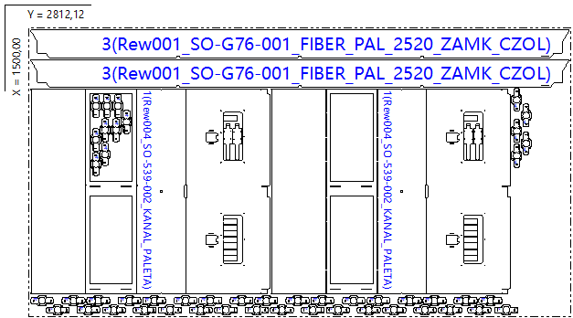

Part List
ID | Thumbnail | Part Name | Part Size(mm*mm) | Qty | Cut Length(m) | Marking length(m) | Defilm Length(m)
318036 |  | Rew004_SO-539-002_KANAL_PALETA | 1068.00 * 1243.29 | 2 / 24 | 19.29 | 0 | 0
318113 |  | Rew001_SO-G76-001_FIBER_PAL_2520_ZAMK_CZOL | 2795.72 * 145.00 | 2 / 2 | 5.84 | 0 | 0
318114 |  | Rew002_SO-413-001_MOCOWANIE_SILOWNIKA | 120.00 * 52.00 | 48 / 48 | 0.64 | 0.09 | 0

Result2
2025.08.04 FW WYCENA 1035SUR082025-S235-3-Oxygen(6) - Result2
Cut Plan
Material | Thickness(mm) | Plate Size(mm*mm) |  | Nested Plate Size(mm*mm) |  | Cut number: | Cut time per piece | Part Qty
S235 | 3.00 | 1500.00 * 3000.00 |  | 1422.97 * 2770.89 |  | 1 | 20min54s | 7
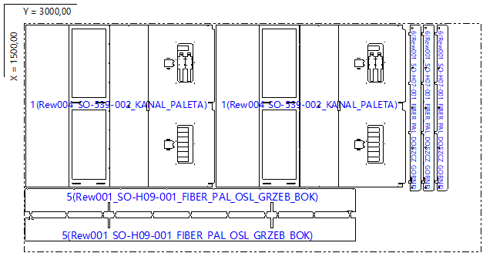

Part List
ID | Thumbnail | Part Name | Part Size(mm*mm) | Qty | Cut Length(m) | Marking length(m) | Defilm Length(m)
318036 |  | Rew004_SO-539-002_KANAL_PALETA | 1068.00 * 1243.29 | 2 / 24 | 19.29 | 0 | 0
318185 |  | Rew001_SO-H09-001_FIBER_PAL_OSL_GRZEB_BOK | 2164.00 * 168.89 | 2 / 12 | 5.2 | 0 | 0
318186 |  | Rew001_SO-H07-001_FIBER_PAL_DOSZCZ_GORNE | 1088.00 * 82.98 | 3 / 24 | 2.58 | 0.12 | 0

Result3
2025.08.04 FW WYCENA 1035SUR082025-S235-3-Oxygen(6) - Result3
Cut Plan
Material | Thickness(mm) | Plate Size(mm*mm) |  | Nested Plate Size(mm*mm) |  | Cut number: | Cut time per piece | Part Qty
S235 | 3.00 | 1500.00 * 3000.00 |  | 1469.65 * 2984.00 |  | 3 | 18min50s | 10
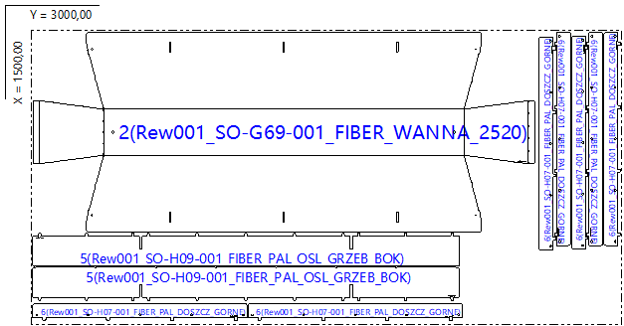

Part List
ID | Thumbnail | Part Name | Part Size(mm*mm) | Qty | Cut Length(m) | Marking length(m) | Defilm Length(m)
318048 |  | Rew001_SO-G69-001_FIBER_WANNA_2520 | 2545.00 * 1020.45 | 1 / 24 | 18.32 | 0 | 0
318185 |  | Rew001_SO-H09-001_FIBER_PAL_OSL_GRZEB_BOK | 2164.00 * 168.89 | 2 / 12 | 5.2 | 0 | 0
318186 |  | Rew001_SO-H07-001_FIBER_PAL_DOSZCZ_GORNE | 1088.00 * 82.98 | 7 / 24 | 2.58 | 0.12 | 0

Result4
2025.08.04 FW WYCENA 1035SUR082025-S235-3-Oxygen(6) - Result4
Cut Plan
Material | Thickness(mm) | Plate Size(mm*mm) |  | Nested Plate Size(mm*mm) |  | Cut number: | Cut time per piece | Part Qty
S235 | 3.00 | 1377.25 * 2569.20 |  | 1353.25 * 2545.20 |  | 2 | 9min52s | 3
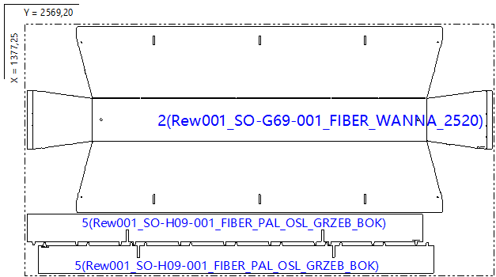

Part List
ID | Thumbnail | Part Name | Part Size(mm*mm) | Qty | Cut Length(m) | Marking length(m) | Defilm Length(m)
318048 |  | Rew001_SO-G69-001_FIBER_WANNA_2520 | 2545.00 * 1020.45 | 1 / 24 | 18.32 | 0 | 0
318185 |  | Rew001_SO-H09-001_FIBER_PAL_OSL_GRZEB_BOK | 2164.00 * 168.89 | 2 / 12 | 5.2 | 0 | 0

